Agenda
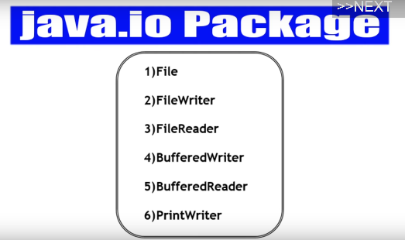

Notes
 | Core Java With OCJP/SCJP: File I/O Part-1|| Introduction || File
File | File f = new File("abc.txt"); This line won't create any physical file. First it will check is there any physical file named with "abc.txt" is available or not. If it is available then f simply refers that file. If it is not available then we are just creating java file object to represent the name "abc.txt".
File | 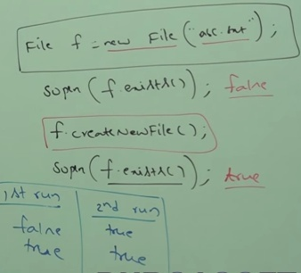 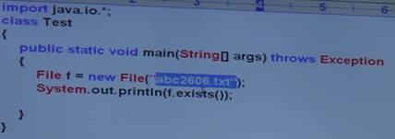
 | 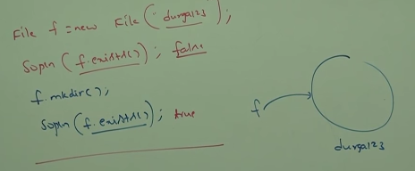
 | Note: In UNIX everything is treated as a file. Java file I/O concept is implemented based on unix operating system. Hencwe Java File object can be used to represent both files and directories.

 | New directory can be created by using mkdir() method of File class.

File class constructors | 1. File f = new File(String name); --> Creates a java file object to represent name of the file or directory in current working directory. 2. File f = new File(Sting subdirname,String name); --> Creates a java file object to represent name of the file or directory presnet in specified sub directory 3. File f = new File(File subdir, String name);

Example 1 | write a code to create a file with named abc.txt in current working directory. File f = new File("abc.txt"); f.createNewFile();

Example demonstarting usage of 3 file constructors | 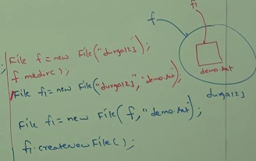 Write code to create a directory named with durga123 in current working directory and create file name with demo.txt in that directory.
Example 3 | write code to create a file named with "abc.txt" in "E://xyz" folder. Assume that E://xyz folder is already available in the system.

Important methods present in File class | 1. boolean exists(); --> retruns TRUE if the specified file or directory available. 2. boolean createNewFile(); --> first this method will check whetehr the specified file is already available or not. if it is already available then this method returns FALSE without creating any physical file. If the file is not already available then this method will creates a new file and returns TRUE. 3. boolean mkdir(); 4. boolean isFile(); --> retuns TRUE if the specified file object pointing to physical file 5. boolean isDirectory(); --> 6. String[] list(); --> retuns names of all files and sub directories present in specified directory. 7. long length(); --> returns no of characters present in specified file. 8. boolean delete(); --> To delete specified file or directory.

Example | write a program to display the names of all files and directories present in "C://duragaclasses"
 | 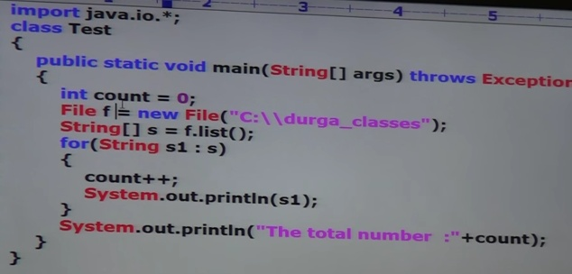
 | To display only file names
Example demonstrating usage of isFile() method | 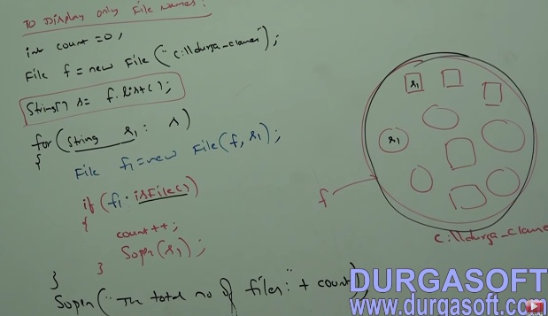
 | To display only direcoty names in the above program we have to replace isFile() method with isDirectry() method

 | Core Java With OCJP/SCJP: File I/O Part-2||Filewriter||importent methods

FileWriter | We can use FileWriter to write character data to the file.
Constructors of FileWriter | 1. FileWriter fw = new FileWriter(String name); 2. FileWriter fw = new FileWriter(File f); The above File writers meant for overriding of existing data. Instead of overriding if we want append operation then we have to create FileWriter by using the following Constructors. 3. FileWriter fw = new FileWriter(String name, boolean append); 4. FileWriter fw = new FileWriter(File f, boolean append);
 | If the specified file not already available then all the above constructors will create that file

methods | 1. write(int ch); --> To write single character 2. write(char[] ch); --> To write an array of characters 3. write(String name); --> To write string to the file 4. flush() --> To give the gaurantee that total data including last character will be written to the file. 5. close() --> To close the writer
Example | 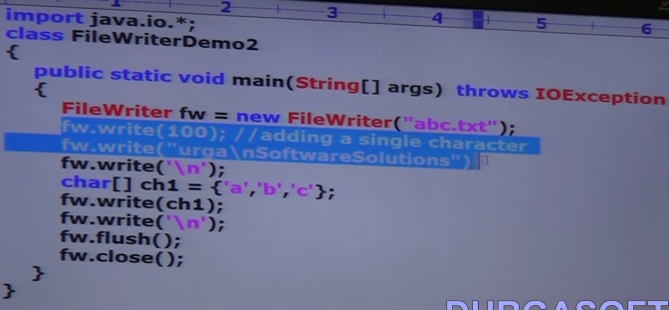 |  |  | content of file abc.txt
 | In the above program file writer can perform overriding of existing data. Instead of overriding if we want append operation then we have to create FileWriter object as follows. FileWriter fw = new FileWriter("abc.txt",true);
 | Note The main problem with FileWriter is we have to insert line seperator(\n) manually which is varied from system to system. It is difficulty to the programmer. We can solve this problem by using BufferedWriter & PrintWriter classes.

 | Core Java With OCJP/SCJP: File I/O Part-3||FileReader||importent methods||Bufferedwriter

FileReader | We can use FileReader to read character data from the file.
constructors | 1. FileReader fr = new FileReader(String fname); 2. FileReader fr = new FileReader(File f);
methods | 1. int read(); --> It attempts to read next character from the file and returns its unicode value. If the next character not available then this method returns -1. As this method returns uni code value(int value),at the time of printing we have to perform type casting.
Example | 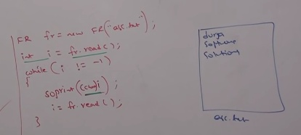
 | 2. int read(char[] ch); --> it attempts to read enough characters from the file into char array and returns no of characters copied from the file.
Example | 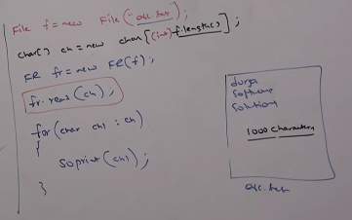
 | 3. void close();
Example | 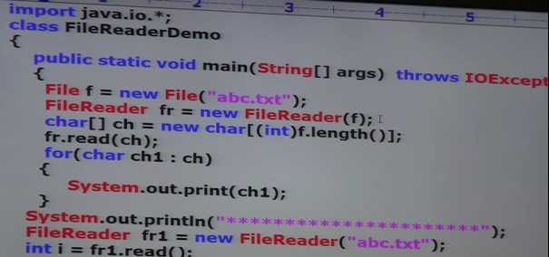 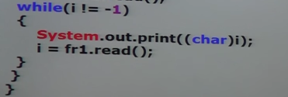
 | * Note By using FileReader we can read data character by character which is not convenient to the programmer.

 | Usage of FileWriter & FileReader is not recommended because 1. while writing data by FileWriter we have to insert line seperator(\n) manually which is varied from system to system. It is difficult to the programmer 2. By using FileReader we can read data character by character, which is not convenient to the programmer. Toover come these problems we should go for BufferedWriter and BufferedReader.

BufferedWriter | 1. We can use BufferedWriter to write character data to the file.
Constructors | 1. BufferedWriter bw = new BufferedWriter(Writer w); 2. BufferedWriter bw = new BufferedWriter(Writer w, int buffersize);
 | Note BufferedWriter can't communicate directly with the file. It can communicate via some writer object.
Questions | 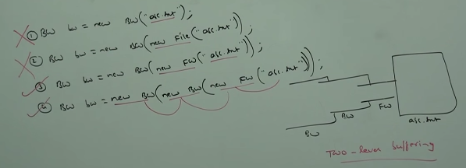 which of the following are valid ..?
methods | 1. write(int ch); 2. write(char[] ch); 3. write(String name) 4. flush() 5. close() 6. newline() --> To insert a line seperator
 | When compared with FileWriter which of the fllowing capability available extra in method form in BufferedWriter ? 1. writing data to the file 2. close the file 3. flushing the file 4. inserting a new line character --> This is the answer
Example | 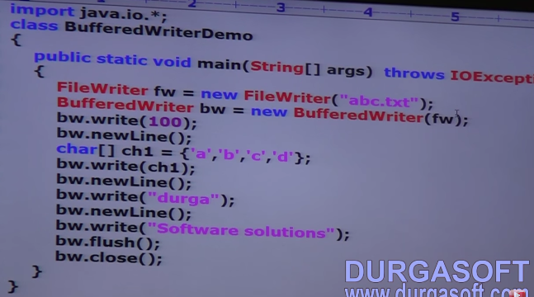 |  | 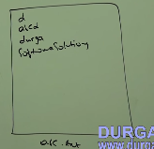 | Output

 | *Note Whenever we are closing BufferedWriter automatically internal FileWriter will be closed and we are not required to close explicitly.
 | 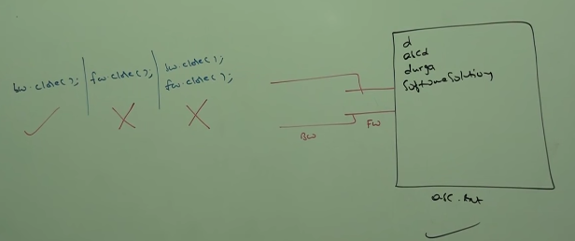

BufferedReader | we can use BufferedReader to read character data from the file The main advantage of BufferedReader when compared with FileReader is we can read data line by line in addition to character by character.

constructors | 1. BufferedReader br = new BufferedReader(Reader r); 2. BufferedReader br = new BufferedReader(Reader r , int buffersize);
 | BufferedReader can't communicate directly with the file and it can communicate via some reader object.
Methods | 1. int read(); 2. int read(char[] ch); 3. void close(); 4. String readLine(); --> it attempts to read next line from the file and returns it. If the next line not available then this method returns null.
Example | 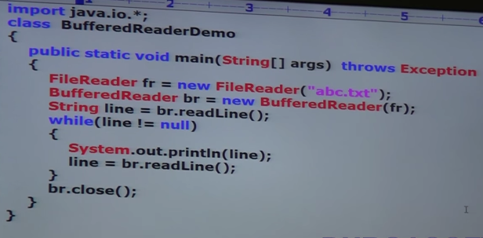
 | Note 1. Whenever we are closing BufferedReader automatically underlying FileReader will be closed and we are not required to close explicitly. 2. The most enhanced reader to read character data from the file is BufferedReader.

 | Core Java With OCJP/SCJP: File I/O Part- 4||Printwriter

PrintWriter | 1. It is the most enhanced writer to write character data to the file. 2. The main advantage of PrintWriter over FileWriter and BufferedWriter is we can write any type of primitive data to the file.

Constructors | 1. PrintWriter pw = new PrintWriter(String name); 2. PrintWriter pw = new PrintWriter(File f); 3. PrintWriter pw = new PrintWriter(Writer w);
 | Note PrintWriter can communicate directly with the file and can communicate via some writer object also.

methods | 1. write(int ch); 2. write(char[] ch); 3. write(String name) 4. flush() 5. close() ---------------------------- 6. print(char ch); 7. print(int i); 8. print(double d); 9. print(String s); ----------------------------- 10. println(char ch); 11. println(int i); 12. println(double d); 13. println(String s);
Example | 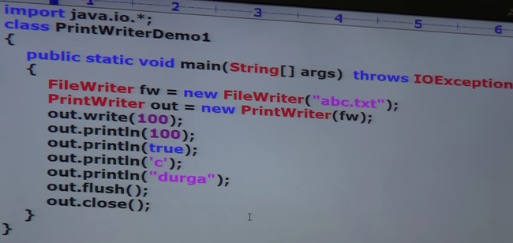 |  |  | output d100 true c durga

 | What is the difference between write(100) and print(100) ..? Ans: In the case of write(100) the corresponding character 'd' will be added to the file but in case of print(100) the int value 100 will be added to the file directly

Note | The most enahnced writer to write character data to the file is PrintWriter where as the most enhanced reader to read character data from the file is BufferedReader.

 | 1. In general we can use readers and writers to handle character data(text data), where as we can use Streams to handle binary data(like images,pdf,videos,audio files etc). 2. We can use OutputStream to write binary data to the file ,InputStream to read binary data from the file

Hierarchy | 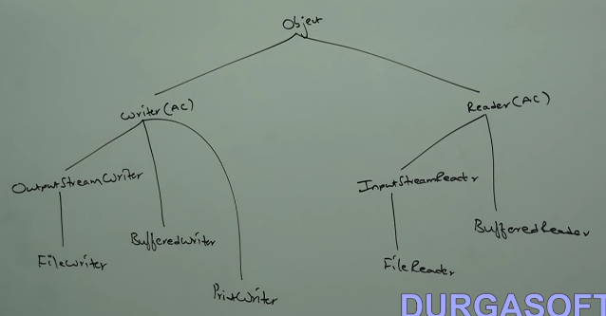

 | Write a program to merge data from 2 files into a third file.
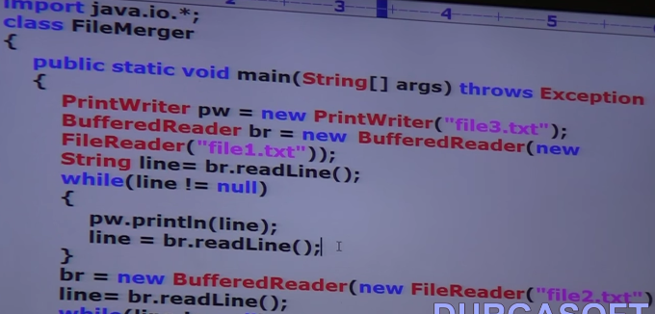 | 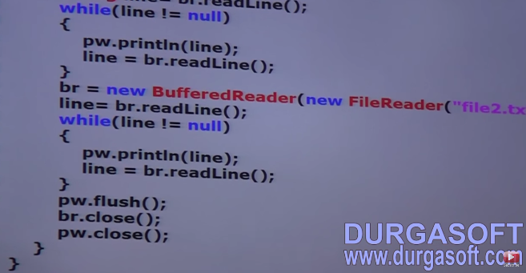

 | Write a program to perform file merge operation where merging should be done line by line alternatively.
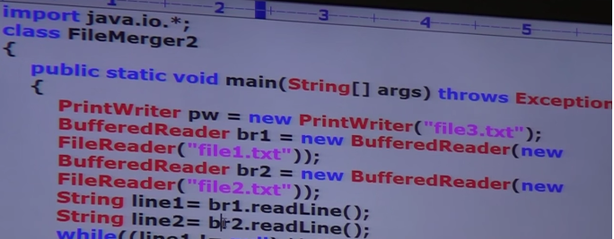 |  | 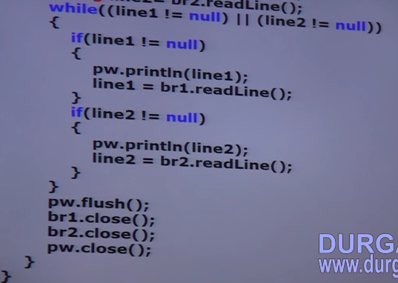
 | 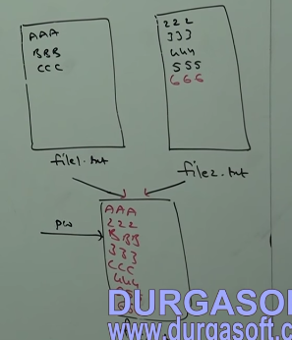

 | write a program to perform file extraction operation
 | 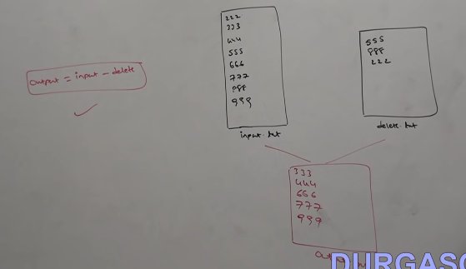
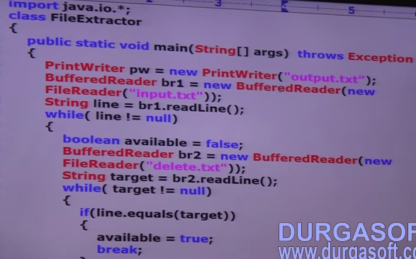 | 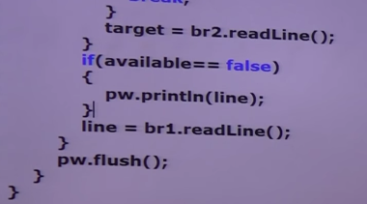
 | Write a java program to remove duplicates from the given input file
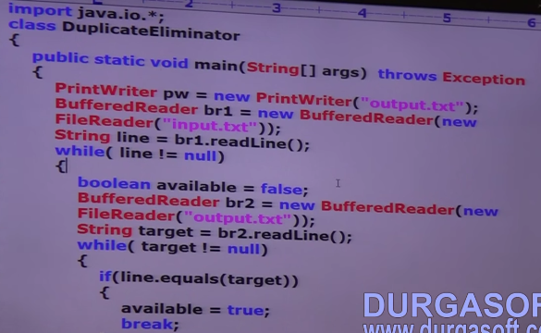 | 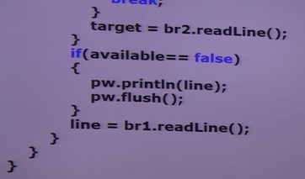

Sheet3
